StandardCalculator
 |  | Ammonia standard calculator
 |  | Water Quality Standards
 |  | Rulemaking
 |  | Doc Type: Standards Guidance

Minnesota freshwater ambient water quality standards for the protection of aquatic life (proposed), based on current EPA recommended criteria |  | This figure depicts the water quality standards values for ammonia, at an example pH of 7, across a temperature range of 0-30 degrees Celsius (see technical support document for details).

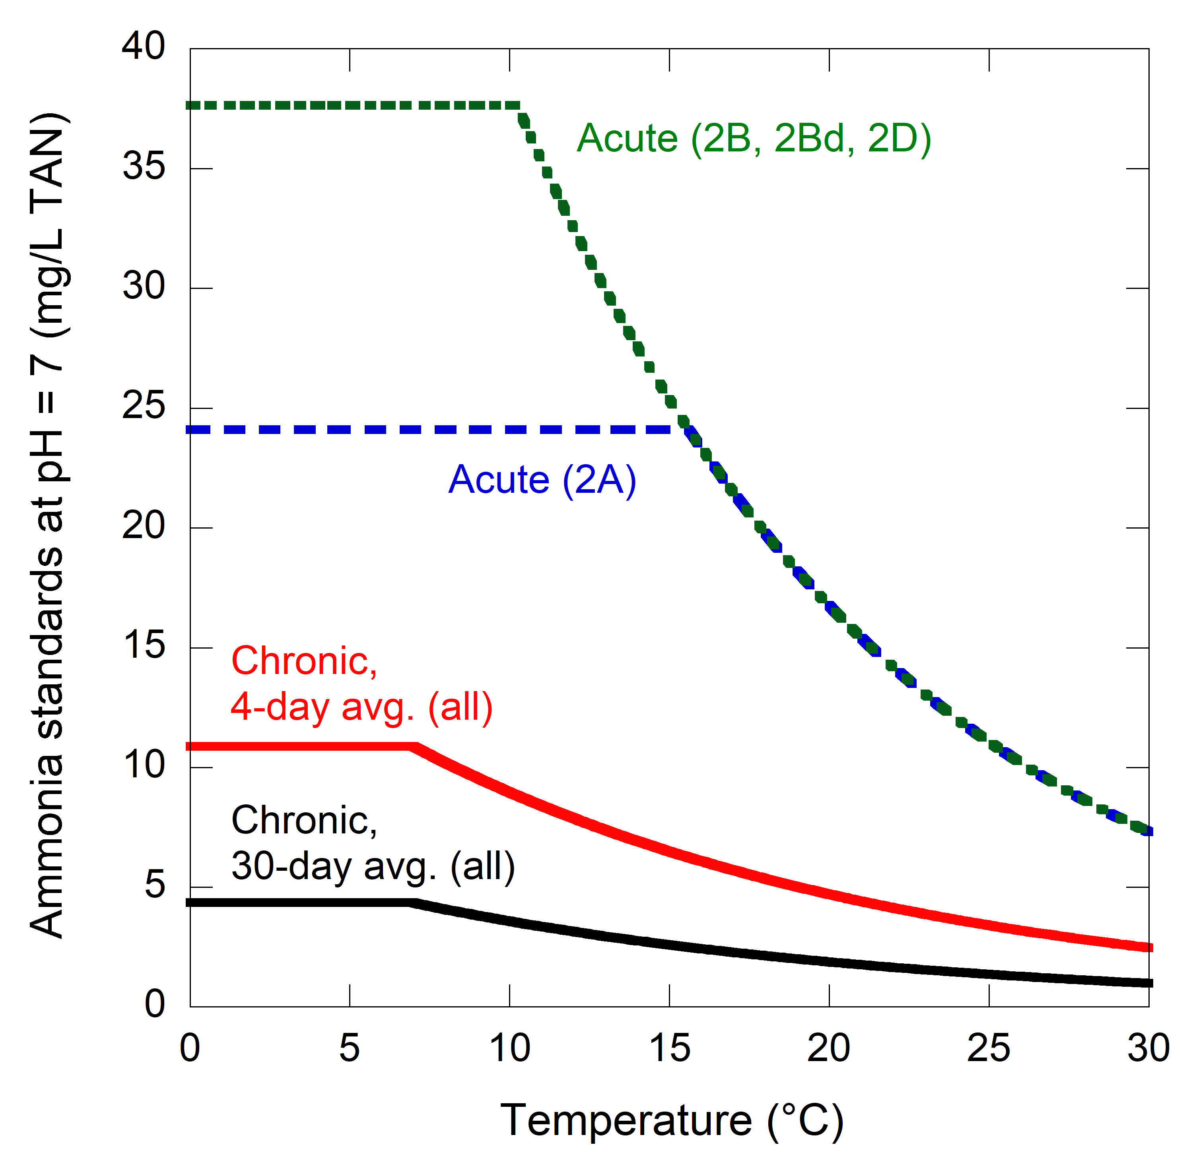
INPUTS

Enter temperature (degrees Celsius) | 20

Enter pH | 7

ANSWERS (numeric standards)
All units in mg/L total ammonia nitrogen (TAN)

Acute standard (Class 2A) | 16.76

Acute standard (Class 2B, 2Bd, 2D) | 16.76

Chronic standard (30-day average, all classes) | 1.89

Chronic standard (4-day average, all classes) | 4.72

