Fugitive
p-sbap5-28 • 6/6/23
Air emissions from fugitive sources
Fugitive emissions1
Potential emissions
Your potential emissions from fugitive sources must be used in identifying whether a permit is required. Fugitive sources include unpaved roads, material handling at stockpiles, and wind erosion of ground piles.

 | Throughput (maximum capacity) |  | <-------- Enter the throughput used in the 'grain elevator potential' tab here.
 | 0 | tons/year

Actual emissions
Are you applying for or have an Option D registration permit?
If… | Then…
Yes | You are required… |  | …to calculate actual emissions from fugitive sources (unpaved roads, material handling for stockpiles, and wind erosion of ground piles). Enter actual throughput for each activity below.

No | You are not required…

Unpaved road2
Enter the data for you’re the method of receiving and shipping below to calculate unpaved road emissions. |  |  |  |  |  |  |  | Table A. Typical silt content values of surface material on industrial unpaved roads
Actual grain shipped and received |  |  |  |  |  |  |  | AP-42 Table 13.2.2-1
Total amount of grain |  |  | tons/year |  |  |  |  | Industry | Road use | Mean Silt Content (%)
by Trucks |  | 0.0% | % |  |  |  |  | Copper smelting | Plant road | 17
by Rail and Barge |  | 0.0% | % |  |  |  |  | Iron and steel production | Plant road | 6
 |  |  |  |  |  |  |  | Sand and gravel processing | Plant road | 4.8
 |  | Truck 1 | Truck 2 |  |  |  |  |  | Material storage area | 7.1
% of total trips made by truck |  | 0% | 0% |  | W = mean vehicle weight (ton) |  | 0.0 | Stone quarrying and processing | Plant road | 10
Empty weight of vehicle (tons) |  |  |  |  | Vpotential = # vehicle trips / yr |  | 0 |  | Haul road to/from pit | 8.3
Full weight of loaded vehicle (tons) |  |  |  |  | Vactual = # vehicle trips / yr |  | 0 | Taconite mining and processing | Plant road | 4.3
S = speed on unpaved road, mph |  |  |  |  |  |  |  |  | Haul road to/from pit | 5.8
m = miles of unpaved road per trip |  |  |  |  |  | Potential Vehicle Miles Traveled (VMT)/yr = Vpotential x miles | 0.00 | Western surface coal mining | Plant road | 5.1
M = surface moisture content (%) |  | 0.5 | Enter site data8,9 |  |  | Actual Vehicle Miles Traveled (VMT)/yr = Vactual x miles | 0.00 |  | Haul road to/from pit | 8.4
s = silt content of road (%) |  | Enter from Table | See Table A |  |  |  |  |  | Scraper route | 17
p = # of days w/ >=0.01" precip/yr |  | 117.2 | 4 | Unpaved road emission factor equation3 |  |  |  |  | Haul road (freshly graded) | 24
k = PM particle size multiplier |  | 6 | PM emission factor (lb/VMT) |  |  |  | 0.00 | Construction sites | Scraper routes | 8.5
k10 = PM10 particle size multiplier |  | 1.8 | PM10 emission factor (lb/VMT) |  |  |  | 0.00 | Lumber sawmills | Log yards | 8.4
k2.5 = PM2.5 particle size multiplier |  | 0.18 |  |  | PM2.5 emission factor (lb/VMT) |  | 0.00 | Municipal solid waste landfills | Disposal routes | 6.4

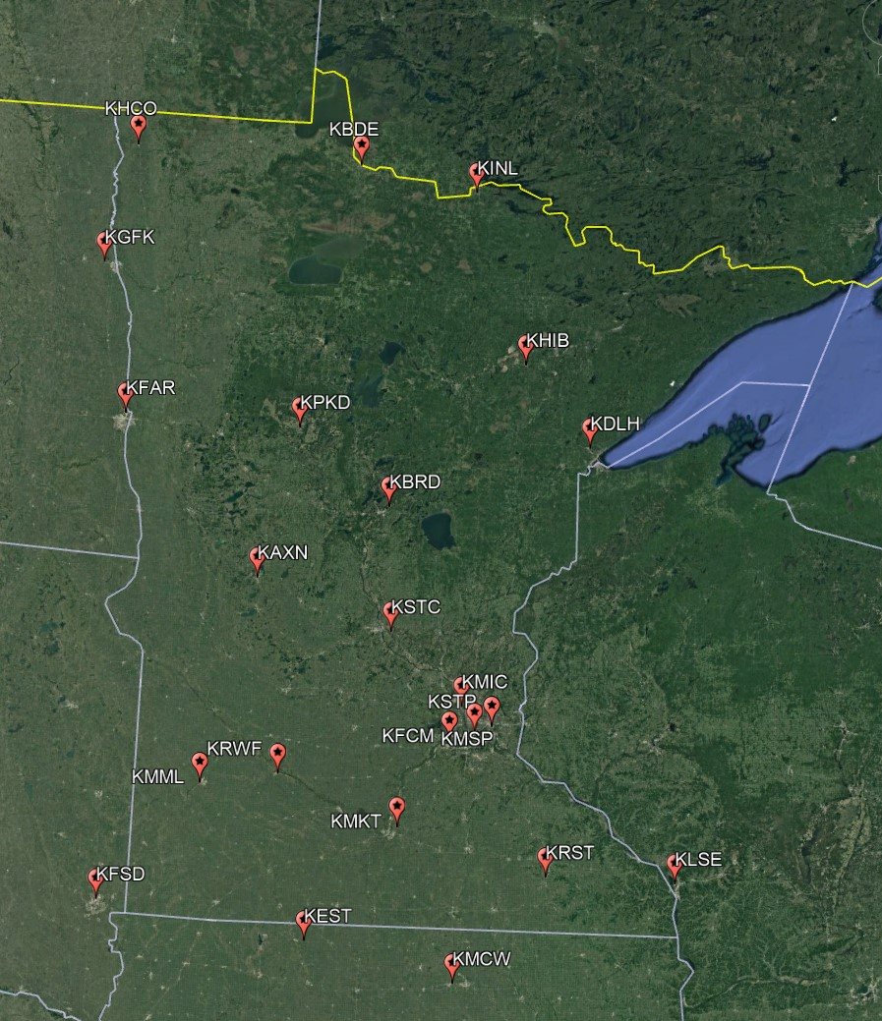
Outside storage piles
Maximum amount of grain stored in outside piles |  |  | tons/year | Material handling (of outside piles)5 |  |  |  | Table B. Typical silt and moisture contents of materials at various industries |  |  | Table C. Wind erosion of ground pile
 |  |  |  | Individual Emission Factors | Truck to Conveyor (lb/ton) | Conveyor to Pile (lb/ton) | Loading to Truck (lb/ton) | AP-42 Table 13.2.4-1 |  |  | Values are over a 5-year period
Actual amount of grain stored in outside piles (last 12 months) |  |  | tons/year |  |  |  |  | Industry | Material | Silt Content (%) | Station | City | County | State | Percent of Hours Greater Than 12 mph
 |  |  |  | PM | 0.035 | 0.061 | 0.086 | Iron and steel production | Pellet ore | 4.3 | KRST | Rochester | Olmsted | MN | 40.9
 |  |  |  | PM10 | 0.0078 | 0.034 | 0.029 |  | Lump ore | 9.5 | KMML | Marshall | Lyon | MN | 39.2
 |  |  |  | PM2.5 | 0.0013 | 0.0058 | 0.0049 |  | Coal | 4.6 | KAXN | Alexandria | Douglas | MN | 35.2
 |  |  |  |  |  |  |  |  | Slag | 5.3 | KDLH | Duluth Intl | Saint Louis | MN | 33.5
Wind erosion of ground pile6 |  |  |  |  |  |  |  |  | Flue dust | 13 | KMKT | Mankato | Blue Earth | MN | 31.2
d = # days pile is active per year |  |  |  |  | Wind erosion emission factor reference7, 8 |  |  |  | Coke breeze | 4.9 | KHCO | Hallock | Kittson | MN | 31.2
a = acres of pile base |  |  |  | PM emission factor (lb/day*acre) |  |  | 0.00 |  | Blended ore | 15 | KRWF | Redwood Falls | Redwood | MN | 30.5
s = silt content of material (%) 4 |  | Enter from Table | See Table B |  | PM10 emission factor = PM * 50% |  | 0.00 |  | Sinter | 0.7 | KMSP | Minneapolis | Hennepin | MN | 28.2
f = % wind > 12 mph at pile height |  | Enter from Table | See Table C or enter 43.1 |  |  | PM2.5 emission factor = PM * 7.5% | 0.00 |  | Limestone | 1 | KPKD | Park Rapids | Hubbard | MN | 27.2
p = # of days w/ >=0.01" precip/yr |  | 117.2 | 4 |  |  |  |  | Stone quarrying and processing | Crushed limestone | 1.6 | KSTP | St Paul | Ramsey | MN | 24.9
 |  |  |  |  |  |  |  |  | Various limestone products | 3.9 | KBDE | Baudette | Lake of the Woods | MN | 24.8
 |  |  |  |  |  |  |  | Taconite mining and processing | Pellets | 3.4 | KFCM | Eden Prarie | Hennepin | MN | 23
Fugitive emission totals |  |  |  |  |  |  |  |  | Tailings | 11 | KSTC | St Cloud | Sherburne | MN | 22.7
Potential fugitive emissions | Unpaved road (VMT/yr) |  | Material Handling (ton/yr) |  | Ground pile (365 days * acre) / yr |  |  | Western surface coal mining | Coal | 6.2 | KMIC | Crystal | Hennepin | MN | 21.7
 |  |  |  |  |  |  |  |  | Overburden | 7.5 | KBRD | Brainerd | Crow Wing | MN | 20.9
 | 0.00 |  | 0.0 |  | 0.0 |  | Total Potential Emissions (ton/year) |  | Exposed ground | 15 | KHIB | Hibbing | Saint Louis | MN | 15.8
 | Emission factor (lb/VMT) | Potential emissions (ton/yr) | Emission factor (lb/ton) | Potential emissions (ton/yr) | Emission factor (lb/d*acre) | Potential emissions (ton/yr) |  | Coal-fired power plant | Coal ( as received) | 2.2 | KINL | International Falls | Koochiching | MN | 13.5
 |  |  |  |  |  |  |  | Municipal solid waste landfills | Sand | 2.6 | KEST | Estherville | Emmet | IA | 43.1
PM | 0.00 | 0.00 | 0.18 | 0.00 | 0.00 | 0.00 | 0.00 |  | Slag | 3.8 | KMCW | Mason City | Cerro Gordo | IA | 40.5
PM10 | 0.00 | 0.00 | 0.07 | 0.00 | 0.00 | 0.00 | 0.00 |  | Cover | 9 | KFAR | Fargo | Cass | ND | 40.3
PM2.5 | 0.00 | 0.00 | 0.01 | 0.00 | 0.00 | 0.00 | 0.00 |  | Clay/dirt mix | 9.2 | KGFK | Grand Forks | Grand Forks | ND | 38.1
 |  |  |  |  |  |  |  |  | Clay | 6 | KFSD | Sioux Falls | Minnehaha | SD | 35.2
 |  |  |  |  |  |  |  |  | Fly ash | 80 | KLSE | La Crosse | La Crosse | WI | 22
Actual fugitive emissions | Unpaved road (VMT/yr) |  | Material Handling (ton/yr) |  | Ground pile (days * acre) / yr |  |  |  | Misc. fill materials | 12

 | 0.0 |  | 0.0 |  | 0.0 |  | Total Actual Emissions (ton/year)
 | Emission factor (lb/VMT) | Actual emissions (ton/yr) | Emission factor (lb/ton) | Actual emissions (ton/yr) | Emission factor (lb/d*acre) | Actual emissions (ton/yr)

PM | 0.00 | 0.00 | 0.18 | 0.00 | 0.00 | 0.00 | 0.00
PM10 | 0.00 | 0.00 | 0.07 | 0.00 | 0.00 | 0.00 | 0.00
PM2.5 | 0.00 | 0.00 | 0.01 | 0.00 | 0.00 | 0.00 | 0.00

References
1 Sources: | Minn. Rule 7007.0200 Subpart 2. B. |  | Minn. Rule 7007.1130 Subpart 4. |  | Minn. Rule 7007.1300 Subpart 3. J.
2 Unpaved road emissions reference sources: |  |  | Source: AP-42 13.2.2 (11/2006)
3 Unpaved road particule matter emission factor equation (lb/VMT) |  |  |  | PM = {{[k[(s/12)^1][(S/30)^0.3)]/[(M/0.5)^0.3]}-0.00047}*(365-p/365)
PM-10 = {{[k[(s/12)^1][(S/30)^0.5)]/[(M/0.5)^0.2]}-0.00047}*(365-p/365) |  |  |  | PM-10 = {{[k[(s/12)^1][(S/30)^0.5)]/[(M/0.5)^0.2]}-0.00036}*(365-p/365)
4 Average across MN precipitation data in Comparative Climatic Data (CCD-2015) tables, page 42. |  |  |  |  | https://www.ncdc.noaa.gov/ghcn/comparative-climatic-data
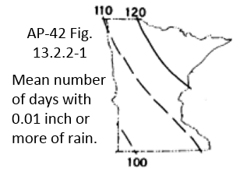 |  | 5 Material handling reference |  | Source: Based on AP-42 9.9 (03/2003)
 |  | 6 Wind erosion from continuously active piles |  | EPA Control of open fugitive dust sources, Sept. 1988, Equation 4-9
 |  | 7 Wind erosion emission factor equation (lb/day/acre)=1.7(s/1.5)((365-p)/235)(f/15)
 |  | 8 PM10 and PM2.5 fractions, updated Nov 2006 |  | AP-42 13.2.5 Aerodynamic particle size multipliers for Equation 2
 |  | 9 Default moisture content value of 0.5 percent in Equation 1b is discouraged and reduces emission factor quality by 2 letters.

