Propane reference
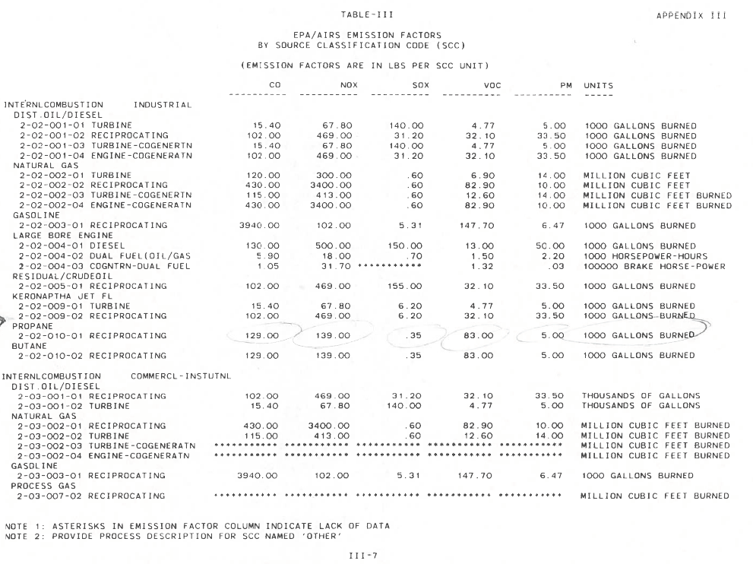
p-sbap5-25 • 12/13/23
Propane emission factor reference

