Fugitive
 |  |  |  |  |  |  | p-sbap5-20 • 7/28/2025
Air emissions from fugitive sources
Fugitive emissions1
Potential emissions
Your potential emissions from fugitive sources must be used in identifying whether a permit is required. Fugitive sources include unpaved roads, material handling at stockpiles, and wind erosion of ground piles.

 | Throughput (maximum capacity) |  | <-------- The maximum throughput used on the hot mix asphalt tab for potential emissions is automatically entered here.
 | 0 | tons/year

Actual emissions
Are you applying for or have an Option D registration permit?
If… | Then…
Yes | You are required… |  | …to calculate actual emissions from fugitive sources (unpaved roads, material handling for stockpiles, and wind erosion of ground piles). Enter actual throughput for each activity below.

No | You are not required…

 | Throughput (actual amount) |  | <-------- The actual amount of hot mix asphalt processed, which you entered into the hot mix asphalt tab, is used here.
 | 0 | tons/year

Unpaved road2
Enter the data for your trucks below to calculate unpaved road emissions. |  |  |  |  |  |  |  | Table A. Typical silt content values of surface material on industrial unpaved roads
 |  | Vehicle 1 | Vehicle 2 |  |  |  |  | AP-42 Table 13.2.2-1
% of total trips made by vehicle |  | 0% | 0% | W = mean vehicle weight (ton) |  |  | 0.0 | Industry | Road use | Mean Silt Content (%)
Empty weight of vehicle (tons) |  |  |  | Vpotential = # vehicle trips / yr |  |  | 0 | Copper smelting | Plant road | 17
Full weight of loaded vehicle (tons) |  |  |  | Vactual = # vehicle trips / yr |  |  | 0 | Iron and steel production | Plant road | 6
S = speed on unpaved road, mph |  |  |  |  |  |  |  | Sand and gravel processing | Plant road | 4.8
m = miles of unpaved road per trip |  |  |  | Potential Vehicle Miles Traveled (VMT)/yr = Vpotential x miles |  |  | 0.00 |  | Material storage area | 7.1
M = surface moisture content (%) |  | 0.5 | Enter site data9,10 | Actual Vehicle Miles Traveled (VMT)/yr = Vactual x miles |  |  | 0.00 | Stone quarrying and processing | Plant road | 10
s = silt content of road (%) |  | Enter from Table | See Table A |  |  |  |  |  | Haul road to/from pit | 8.3
p = # of days w/ >=0.01" precip/yr |  | 117.2 | 4 | Unpaved road emission factor equation3 |  |  |  | Taconite mining and processing | Plant road | 4.3
k = PM particle size multiplier |  | 6 | PM emission factor (lb/VMT) |  |  |  | 0.00 |  | Haul road to/from pit | 5.8
k10 = PM10 particle size multiplier |  | 1.8 | PM10 emission factor (lb/VMT) |  |  |  | 0.00 | Western surface coal mining | Plant road | 5.1
k2.5 = PM2.5 particle size multiplier |  | 0.18 |  |  | PM2.5 emission factor (lb/VMT) |  | 0.00 |  | Haul road to/from pit | 8.4
 |  |  |  |  |  |  |  |  | Scraper route | 17
 |  |  |  |  |  |  |  |  | Haul road (freshly graded) | 24
 |  |  |  |  |  |  |  | Construction sites | Scraper routes | 8.5
 |  |  |  |  |  |  |  | Lumber sawmills | Log yards | 8.4
 |  |  |  |  |  |  |  | Municipal solid waste landfills | Disposal routes | 6.4

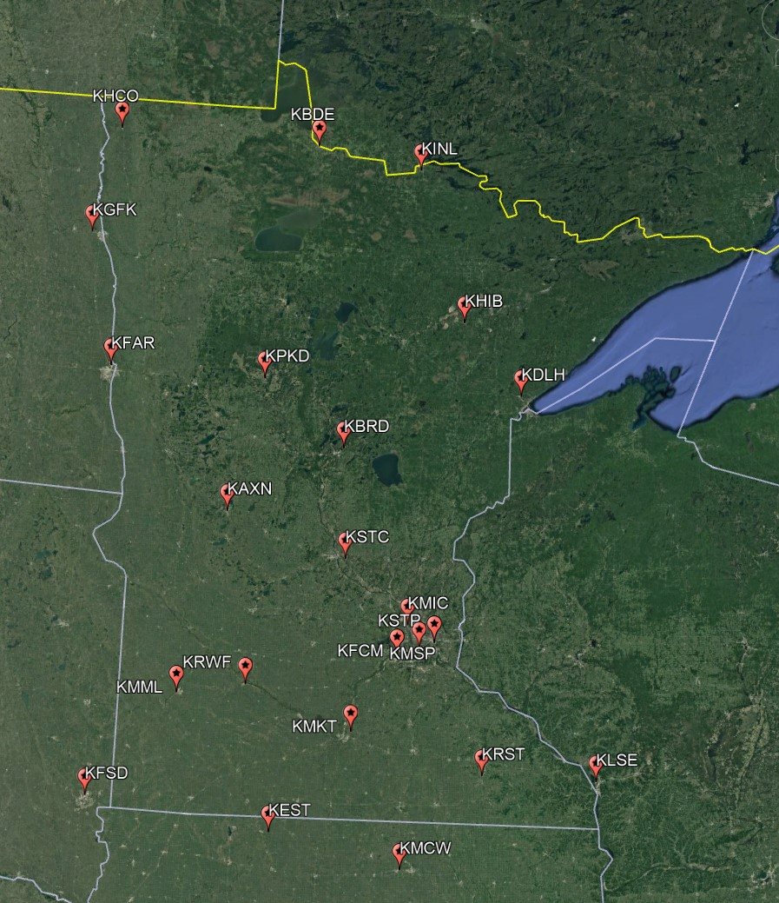
Material handling at stockpiles5
k = PM particle size multiplier |  | 0.74 |  |  |  |  |  | Table B. Typical silt and moisture contents of materials at various industries |  |  |  | Table C. Wind erosion of ground pile
k10 = PM10 particle size multiplier |  | 0.35 | Material handling emission factor equation6 |  |  |  |  | AP-42 Table 13.2.4-1 |  |  |  | Values are over a 5-year period |  |  |  | Percent of Hours Greater Than 12 mph | Mean wind speed (mph) (2018-2022)
k2.5 = PM2.5 particle size multiplier |  | 0.053 |  |  |  | PM emission factor (lb/ton) | 0.0000 | Industry | Material | Silt Content (%) | Moisture Content (%) | Station | City | County | State
M = material moisture content (%) |  | Enter from Table | See Table B |  |  | PM10 emission factor (lb/ton) | 0.0000 | Iron and steel production | Pellet ore | 4.3 | 2.2 | KRST | Rochester | Olmsted | MN | 40.9 | 11.3
U = mean wind speed (mph) |  | Enter from Table | See Table C |  |  | PM2.5 emission factor (lb/ton) | 0.0000 |  | Lump ore | 9.5 | 5.4 | KMML | Marshall | Lyon | MN | 39.2 | 11.7
 |  |  |  |  |  |  |  |  | Coal | 4.6 | 4.8 | KAXN | Alexandria | Douglas | MN | 35.2 | 10.1
Wind erosion of ground pile7 |  |  |  |  |  |  |  |  | Slag | 5.3 | 0.92 | KDLH | Duluth Intl | Saint Louis | MN | 33.5 | 9.9
d = # days pile is active per year |  |  |  |  |  |  |  |  | Flue dust | 13 | 7 | KMKT | Mankato | Blue Earth | MN | 31.2 | 10.3
a = acres of pile base |  |  |  |  | Wind erosion emission factor reference8, 9 |  |  |  | Coke breeze | 4.9 | 7.8 | KHCO | Hallock | Kittson | MN | 31.2 | --
s = silt content of material (%) |  | Enter from Table | See Table B |  |  | PM emission factor (lb/day*acre) | 0.00 |  | Blended ore | 15 | 6.6 | KRWF | Redwood Falls | Redwood | MN | 30.5 | 9.6
f = % wind > 12 mph at pile height |  | Enter from Table | See Table C or enter 43.1 |  |  | PM10 emission factor = PM * 50% | 0.00 |  | Sinter | 0.7 | -- | KMSP | Minneapolis | Hennepin | MN | 28.2 | 9.0
p = # of days w/ >=0.01" precip/yr |  | 117.2 | 4 |  |  | PM2.5 emission factor = PM * 7.5% | 0.00 |  | Limestone | 1 | 0.2 | KPKD | Park Rapids | Hubbard | MN | 27.2 | 8.7
 |  |  |  |  |  |  |  | Stone quarrying and processing | Crushed limestone | 1.6 | 0.7 | KSTP | St Paul | Ramsey | MN | 24.9 | 8.3
 |  |  |  |  |  |  |  |  | Various limestone products | 3.9 | 2.1 | KBDE | Baudette | Lake of the Woods | MN | 24.8 | 8.4
Fugitive emission totals |  |  |  |  |  |  |  | Taconite mining and processing | Pellets | 3.4 | 0.9 | KFCM | Eden Prarie | Hennepin | MN | 23 | 8.3
Potential fugitive emissions | Unpaved road |  | Material handling at stockpiles |  | Wind erosion of ground pile |  |  |  | Tailings | 11 | 0.4 | KSTC | St Cloud | Sherburne | MN | 22.7 | 7.9
 | (VMT/yr) |  | (ton/yr) |  | (365d*a/yr) |  |  | Western surface coal mining | Coal | 6.2 | 6.9 | KMIC | Crystal | Hennepin | MN | 21.7 | 7.8
 | 0 |  | 0 |  | 0 |  | Total potential emissions |  | Overburden | 7.5 | -- | KBRD | Brainerd | Crow Wing | MN | 20.9 | 7.7
 | Emission factor | Potential | Emission factor | Potential | Emission factor | Potential |  |  | Exposed ground | 15 | 3.4 | KHIB | Hibbing | Saint Louis | MN | 15.8 | 6.6
 | (lb/VMT) | (ton/yr) | (lb/ton) | (ton/yr) | (lb/d*acre) | (ton/yr) | (ton/year) | Coal-fired power plant | Coal ( as received) | 2.2 | 4.5 | KINL | International Falls | Koochiching | MN | 13.5 | 6.8
PM | 0.00 | 0.00 | 0.0000 | 0.00 | 0.00 | 0.00 | 0.00 | Municipal solid waste landfills | Sand | 2.6 | 7.4 | KEST | Estherville | Emmet | IA | 43.1 | 11.7
PM10 | 0.00 | 0.00 | 0.0000 | 0.00 | 0.00 | 0.00 | 0.00 |  | Slag | 3.8 | 3.6 | KMCW | Mason City | Cerro Gordo | IA | 40.5 | 11.0
PM2.5 | 0.00 | 0.00 | 0.0000 | 0.00 | 0.00 | 0.00 | 0.00 |  | Cover | 9 | 12 | KFAR | Fargo | Cass | ND | 40.3 | 10.9
 |  |  |  |  |  |  |  |  | Clay/dirt mix | 9.2 | 14 | KGFK | Grand Forks | Grand Forks | ND | 38.1 | 10.7
Actual fugitive emissions | Unpaved road |  | Material handling at stockpiles |  | Wind erosion of ground pile |  |  |  | Clay | 6 | 10 | KFSD | Sioux Falls | Minnehaha | SD | 35.2 | 9.9
 | (VMT/yr) |  | (ton/yr) |  | (days * acre) / yr |  |  |  | Fly ash | 80 | 27 | KLSE | La Crosse | La Crosse | WI | 22 | 8.1
 | 0 |  | 0 |  | 0 |  | Total Actual Emissions (ton/year) |  | Misc. fill materials | 12 | 11
 | Emission factor | Actual | Emission factor | Actual | Emission factor | Actual
 | (lb/VMT) | (ton/yr) | (lb/ton) | (ton/yr) | (lb/d*acre) | (ton/yr)
PM | 0.00 | 0.00 | 0.0000 | 0.00 | 0.00 | 0.00 | 0.00
PM10 | 0.00 | 0.00 | 0.0000 | 0.00 | 0.00 | 0.00 | 0.00
PM2.5 | 0.00 | 0.00 | 0.0000 | 0.00 | 0.00 | 0.00 | 0.00

References
1 Sources: | Minn. Rule 7007.0200 Subpart 2. B. |  | Minn. Rule 7007.1130 Subpart 4. |  | Minn. Rule 7007.1300 Subpart 3. J.
2 Unpaved road emissions reference sources: |  |  | Source: AP-42 13.2.2 (11/2006)
3 Unpaved road particulate matter emission factor equation (lb/VMT) |  |  |  | PM = {{[k[(s/12)^1][(S/30)^0.3)]/[(M/0.5)^0.3]}-0.00047}*(365-p/365)
PM-10 = {{[k[(s/12)^1][(S/30)^0.5)]/[(M/0.5)^0.2]}-0.00047}*(365-p/365) |  |  |  | PM-10 = {{[k[(s/12)^1][(S/30)^0.5)]/[(M/0.5)^0.2]}-0.00036}*(365-p/365)
4 Average across MN precipitation data in Comparative Climatic Data (CCD-2015) tables, page 42. |  |  |  |  |  | 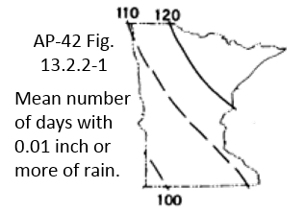
5 Stockpile reference |  | Source: AP-42 13.2.4 (11/2006)
6 Stockpile emission factor equation (lb/ton) = k(0.0032)((U/5)1.3/(M/2)1.4)
7 Wind erosion from continuously active piles:
EPA Control of open fugitive dust sources, Sept. 1988, Equation 4-9
8 Wind erosion emission factor equation (lb/day/acre)=1.7(s/1.5)((365-p)/235)(f/15)
9 PM10 and PM2.5 fractions, updated Nov 2006:
AP-42 13.2.5 Aerodynamic particle size multipliers for Equation 2
10 Default moisture content value of 0.5 percent in Equation 1b is discouraged and reduces emission factor quality by 2 letters.

