Blasting charts
p-sbap5-19 • 6/5/23
Air emissions from abrasive blasting

Flow Rate at the nozzle (lb abrasive/hr)* |  |  | 0 | lb/hr (adjusted with material density)
Internal Nozzle Diameter (inches) | Nozzle Pressure (psig)
 |  |  |  |  |  |  |  |  |  |  |  |  |  |  | Diameter | Pressure | Flow rate | Material
 | 30 | 40 | 50 | 60 | 70 | 80 | 90 | 100 | 110 | 120 | 130 | 140 | Coefficient | Area | 0 | 0 | 0 | Choose one
0.125 | 28 | 35 | 42 | 49 | 55 | 63 | 70 | 77 | 84 | 91 | 97 | 104 | 14 | 0.012 |  |  | 0
0.1875 | 65 | 80 | 94 | 107 | 122 | 135 | 149 | 165 | 178 | 190 | 203 | 215 | 31.5 | 0.028 |  |  | 0
0.25 | 109 | 138 | 168 | 195 | 221 | 255 | 280 | 309 | 329 | 349 | 368 | 388 | 56 | 0.049 |  |  | 0
0.3125 | 205 | 247 | 292 | 354 | 377 | 420 | 462 | 507 | 534 | 561 | 588 | 615 | 87.5 | 0.077 |  |  | 0
0.375 | 285 | 355 | 417 | 477 | 540 | 600 | 657 | 720 | 752 | 784 | 816 | 847 | 126 | 0.110 |  |  | 0
0.4375 | 385 | 472 | 560 | 645 | 755 | 820 | 905 | 940 | 975 | 1009 | 1044 | 1078 | 171.5 | 0.150 |  |  | 0
0.5 | 503 | 615 | 725 | 835 | 945 | 1050 | 1160 | 1265 | 1304 | 1343 | 1382 | 1421 | 224 | 0.196 |  |  | 0
0.625 | 820 | 990 | 1170 | 1336 | 1510 | 1680 | 1850 | 2030 | 2075 | 2120 | 2165 | 2210 | 350 | 0.307 |  |  | 0
0.75 | 1140 | 1420 | 1670 | 1915 | 2160 | 2400 | 2630 | 2880 | 2928 | 2975 | 3023 | 3071 | 504 | 0.442 |  |  | 0
1 | 2030 | 2460 | 2900 | 3340 | 3780 | 4200 | 4640 | 5060 | 5111 | 5162 | 5212 | 5263 | 896 | 0.785 |  |  | 0
*The flow rates in the above chart are for sand. If you are using steel or aluminum oxide as your abrasive blast material, the spreadsheet will automatically convert the flow rate provided to these other abrasive material types. Flow rates in grey are using the original guidance ratio equation from SCAQMD Memorandum from J. Nenzell to Metallurgical Engineers, Subject: Abrasive Blasting, March 13, 1975.

Emission Factors for Abrasives* | PM (lb PM/lb abrasive) | PM10 (lb PM10/lb of Abrasive)** |  | PM10 emissions derived from STAPPA/ALAPCO PM10 factors which were based on the amount of PM generated:
Sand | 0.041 | 0.029 |  | sand = 0.7 lbs PM10 per lb of PM; grit= 0.7 lb PM10 per lb of PM; Steel shot = 0.86 lb PM10 per lb of PM
Grit | 0.010 | 0.007 |  | For "Other", assume PM10=PM
Shot | 0.004 | 0.0034
Other | 0.01 | 0.01

Control equipment | Pollutant | Control efficiency (%) |  |  |  |  | Equipment | Capture | PM | PM10
Choose one |  | Total enclosure | Certified hood | Uncertified hood |  |  | 0 | 0 | 0.0% | 0.0%
Cyclone (high efficiency) | PM | 90.0% | 72.0% | 54.0% |  |  |  |  | 0
 | PM10 | 78.0% | 62.0% | 46.0% |  |  |  |  |  | 0
Cyclone (medium efficiency) | PM | 80.0% | 64.0% | 48.0% |  |  |  |  | 0
 | PM10 | 60.0% | 48.0% | 36.0% |  |  |  |  |  | 0
Cyclone (low efficiency) | PM | 25.0% | 20.0% | 15.0% |  |  |  |  | 0
 | PM10 | 25.0% | 20.0% | 15.0% |  |  |  |  |  | 0
Wet cyclone | PM | 84.0% | 68.0% | 51.0% |  |  |  |  | 0
 | PM10 | 84.0% | 68.0% | 51.0% |  |  |  |  |  | 0
Wall or panel filter | PM | 85.0% | 68.0% | 51.0% |  |  |  |  | 0
 | PM10 | 85.0% | 68.0% | 51.0% |  |  |  |  |  | 0
HEPA or ULPA filter | PM | 99.98% | 80.0% | 60.0% |  |  |  |  | 0
 | PM10 | 99.98% | 80.0% | 60.0% |  |  |  |  |  | 0
None claimed |  |  |  |  |  |  |  |  | 0

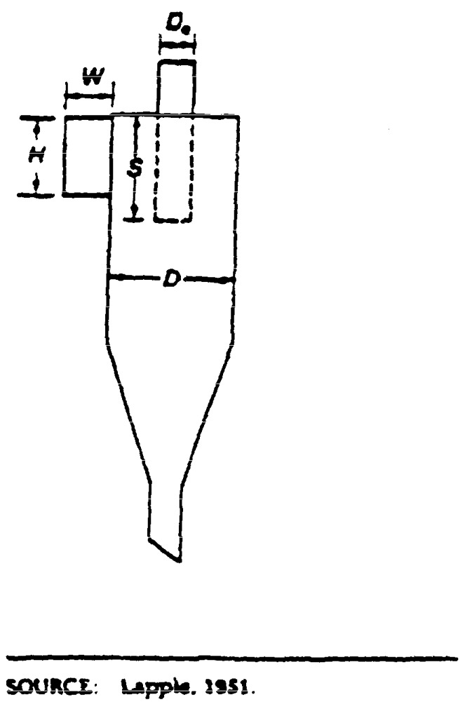
Ratio Dimensions | High Efficiency | Medium Efficiency | Low Efficiency
Height of inlet, H/D | ≤0.44 | >0.44 and <0.8 | ≥0.8
Width of inlet, W/D | ≤0.2 | >0.2 and <0.375 | ≥0.375
Diameter of gas exit, De/D | ≤0.4 | >0.4 and <0.75 | ≥0.75
Length of vortex finder, S/D | ≤0.5 | >0.5 and <0.875 | ≥0.875

