Emission Calculations
1. Describe your pile | FUGI [] | FUGI [] | FUGI [] | FUGI [] | FUGI []
Continuously active pile?2 | No | No | No | No | No
2. If you answered yes to #1, else skip to #3:
a. What is the number of days with >=0.25 mm (0.01 in.) of precipitation per year (p)? Pick the nearest location from the list in row 4: | Far Southwestern Minnesota | Far Southwestern Minnesota | Far Southwestern Minnesota | Far Southwestern Minnesota | Far Southwestern Minnesota
p = | 90 | 90 | 90 | 90 | 90
b. What is the percentage of time that the unobstructed wind speed exceeds 12 mph at the mean pile height, f (%)? Show calculation basis based on local weather data for f in a separate tab.
3. If you answered no to #1:
a. What is the type of material being stored? | Overburden | Overburden | Overburden | Overburden | Overburden
b. Identify the shape (used for velocity distribution modeling) | conical (Pile A)1 | conical (Pile A)1 | conical (Pile A)1 | oval(Pile B1)1 | conical (Pile A)1
c. What is the average silt content, s (%)? Select from list in A12 | Iron and steel production, coal | Iron and steel production, coal | Iron and steel production, coal | Iron and steel production, coal | Iron and steel production, coal
 | 5.00 | 5.00 | 5.00 | 5.00 | 5.00
4. What is the surface area (acres) of your pile?
5. If implemented, what is the control efficiency (%)1
6. How many piles?
 | 1Control Efficiency Reference:

 | 2A continuously active pile is one with a relatively steady stream of material being dropped onto the pile. |  |  |  | `
 | An example of this would be adding material to the pile by a conveyor stacker. See AP-42 Section 13.2.4 for more information.
 | See AP-42 Fourth Edition 11.2.3-4 for the calculations related to continuosly active storage piles.
Emission Factors (lb/acre/day):
Pollutant | FUGI [] | FUGI [] | FUGI [] | FUGI [] | FUGI []
Particulate matter | #DIV/0! | #DIV/0! | #DIV/0! | #DIV/0! | #DIV/0!
PM < 10 Micron1 | #DIV/0! | #DIV/0! | #DIV/0! | #DIV/0! | #DIV/0!
PM < 2.5 Micron1 | #DIV/0! | #DIV/0! | #DIV/0! | #DIV/0! | #DIV/0!
1 k = 0.5 for PM<10 micron and k= 0.075 from AP-42 12.2.5.3

FUGI [] Emission Rates
Pollutant | Unrestricted Emission Rate (lb/hr) | Controlled Emission Rate (lb/hr) | Unrestricted Emissions (tpy) | Limited Emissions (tpy)
Particulate matter | #DIV/0! | #DIV/0! | #DIV/0! | #DIV/0!
PM < 10 Micron | #DIV/0! | #DIV/0! | #DIV/0! | #DIV/0!
PM < 2.5 Micron | #DIV/0! | #DIV/0! | #DIV/0! | #DIV/0!

FUGI [] Emission Rates
Pollutant | Unrestricted Emission Rate (lb/hr) | Controlled Emission Rate (lb/hr) | Unrestricted Emissions (tpy) | Limited Emissions (tpy)
Particulate matter | #DIV/0! | #DIV/0! | #DIV/0! | #DIV/0!
PM < 10 Micron | #DIV/0! | #DIV/0! | #DIV/0! | #DIV/0!
PM < 2.5 Micron | #DIV/0! | #DIV/0! | #DIV/0! | #DIV/0!

FUGI [] Emission Rates
Pollutant | Unrestricted Emission Rate (lb/hr) | Controlled Emission Rate (lb/hr) | Unrestricted Emissions (tpy) | Limited Emissions (tpy)
Particulate matter | #DIV/0! | #DIV/0! | #DIV/0! | #DIV/0!
PM < 10 Micron | #DIV/0! | #DIV/0! | #DIV/0! | #DIV/0!
PM < 2.5 Micron | #DIV/0! | #DIV/0! | #DIV/0! | #DIV/0!

FUGI [] Emission Rates
Pollutant | Unrestricted Emission Rate (lb/hr) | Controlled Emission Rate (lb/hr) | Unrestricted Emissions (tpy) | Limited Emissions (tpy)
Particulate matter | #DIV/0! | #DIV/0! | #DIV/0! | #DIV/0!
PM < 10 Micron | #DIV/0! | #DIV/0! | #DIV/0! | #DIV/0!
PM < 2.5 Micron | #DIV/0! | #DIV/0! | #DIV/0! | #DIV/0!

FUGI [] Emission Rates
Pollutant | Unrestricted Emission Rate (lb/hr) | Controlled Emission Rate (lb/hr) | Unrestricted Emissions (tpy) | Limited Emissions (tpy)
Particulate matter | #DIV/0! | #DIV/0! | #DIV/0! | #DIV/0!
PM < 10 Micron | #DIV/0! | #DIV/0! | #DIV/0! | #DIV/0!
PM < 2.5 Micron | #DIV/0! | #DIV/0! | #DIV/0! | #DIV/0!
 | Notes:

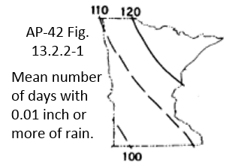
Number of days with > = 0.01 in. of precipitation (AP-42, Fig. 13.2.1-2)
Minnesota Region | p (Days/Year)
Far Southwestern Minnesota | 90
Rochester, Mankato, Marshall, Detroit Lakes, Southern Twin Cities | 100
Roseau, Bemidji, Brainerd, St. Cloud, Northern Twin Cities | 110
International Falls, Hibbing, Duluth | 120

Silt and Moisture Contents (Table 13.2.4-1 from AP-42, Section 13.2.4)
Type | Silt Content (%) | Moisture Content (%)
Iron and steel production, pellet ore | 4.9 | 0.021
Iron and steel production, lump ore | 9.5 | 0.054
Iron and steel production, coal | 5 | 0.048
Iron and steel production, slag | 5.3 | 0.0092
Iron and steel production, flue dust | 18
Iron and steel production, coke breeze | 5.4 | 0.064
Iron and steel production, blended ore | 15 | 0.066
Iron and steel production, sinter | 0.7
Iron and steel production, limestone | 0.4
Stone quarrying and processing, crushed limestone | 1.6 | 0.007
taconite mining and processing, pellets | 3.4 | 0.0096
taconite mining and processing, tailings | 11 | 0.0035
western surface coal mining, coal | 6.2 | 0.069
western surface coal mining, overburden | 7.5
western surface coal mining, exposed ground | 15 | 0.034
custom
custom
custom
custom
Custom Type Notes:

 | Aerodynamic Particle Size Multipliers (k) for equation 1 of AP-42 Section 13.2.4
 | size | k
 | <30 | 0.74
 | <15 | 0.48
 | <10 | 0.35
 | <5 | 0.2
 | <2.5 | 0.11
 | Aerodynamic Particle Size Multipliers (k) for equation 2 of AP-42 Section 13.2.5
 | size | k
 | <30 | 1
 | <15 | 0.6
 | <10 | 0.5
 | <2.5 | 0.2

 | Threshold Friction Velocity, u*t (Table 13.2.5-2 of AP-42 Section 13.2.5)
 | Material | Threshold Friction Velocity, u*t (m/s)
 | Overburden | 1.02
 | Scoria (roadbed material) | 1.33
 | Ground coal (surrounding pile) | 0.55
 | Uncrusted coal pile | 1.12
 | Scraper tracks on coal pile | 0.62
 | Fine coal dust on concrete pad | 0.54
 | Custom1
 | 1for uncrusted surfaces, estimate u*t from dry aggregate soil structure sieve analysis, calculate the mode, refer to table Figure 4-2
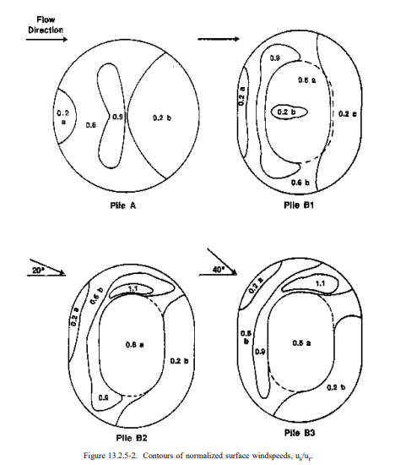

Shape Options
flat
conical (Pile A)1
oval(Pile B1)1
oval(Pile B2)1
oval((Pile B3)1
custom2
1 See AP-42 Figure 13.2.5-2
2 Custom Type Notes:

Subarea Distribution for Regimes of us/ur
Name | 0.2 | 0.6 | 0.9 | 1.1
conical (Pile A)1 | 0.4 | 0.48 | 0.12 | 0
oval(Pile B1)1 | 0.36 | 0.5 | 0.14 | 0
oval(Pile B2)1 | 0.31 | 0.51 | 0.15 | 0.03
oval(Pile B3)1 | 0.28 | 0.54 | 0.14 | 0.04
custom2
1 See AP-42 Table 13.2.5-3 & Figure 13.2.5-2 | 2 Custom Type Notes:

Answers
Yes
No

