Step 6 guidance
Step 6 guidance

INPUT | OUTPUT
In order to estimate the percent oxygen in dry flue (Oxdf), enter the percentage of excess air used in combustion below. | Based on the inputed excess air, the percent of oxygen in dry flue (Oxdf) is shown below.
Excess air used in combustion (%) | Oxygen in dry flue (%)

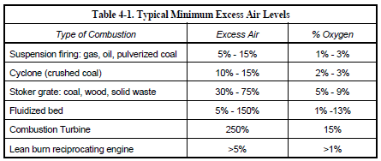

APTI 427 (Combustion Source Evaluation, June 2003)

